Defect 1
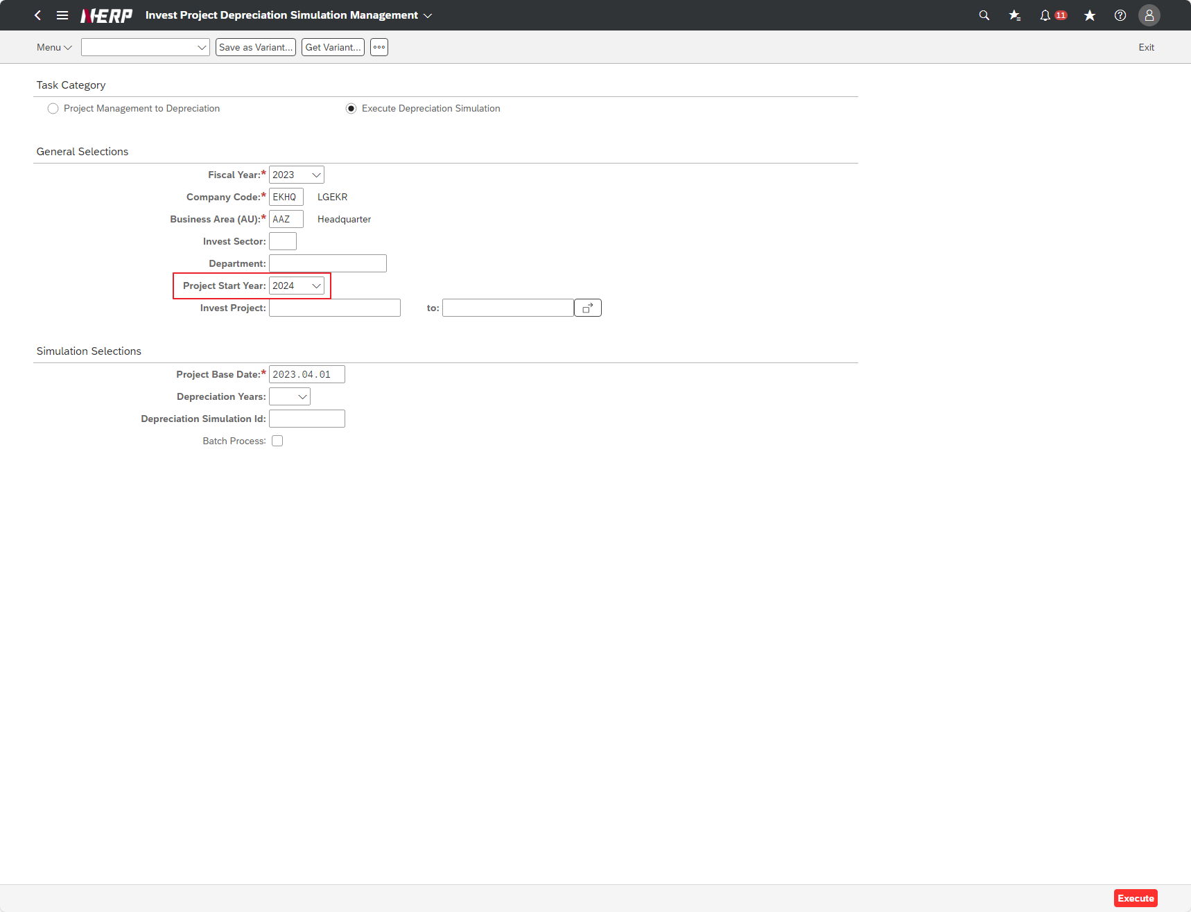
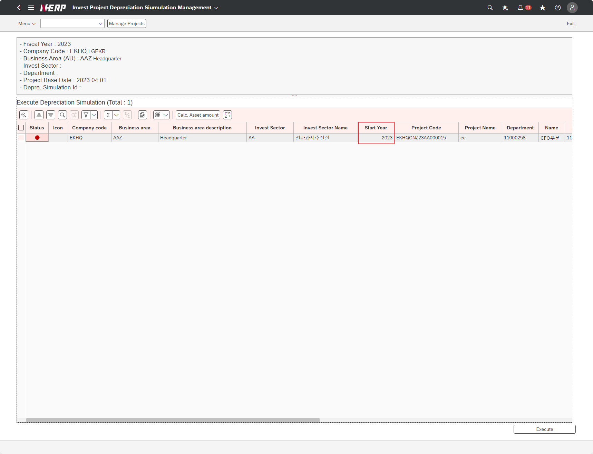
Case 3: | Project start year search condition does not match

Defect 2
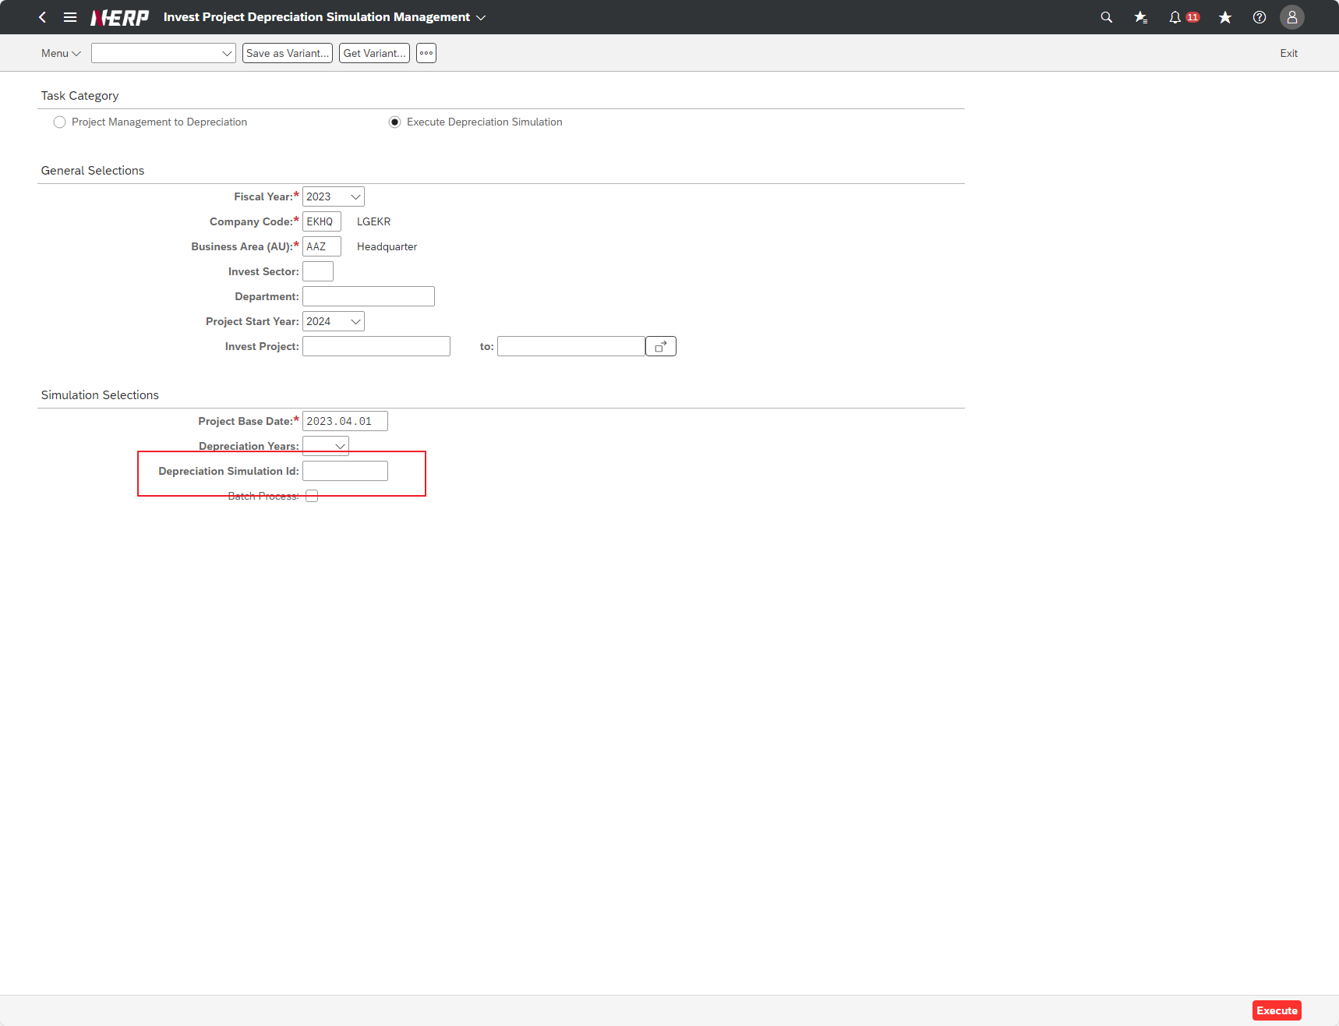
Case 4: | Function: Can not get all the records when the Depre. Simulation Id search condition is empty
When Depreciation Simulation Id condition is not empty, each Depreciation Simulation Id has an unique record but when that search field is empty, only one record is returned

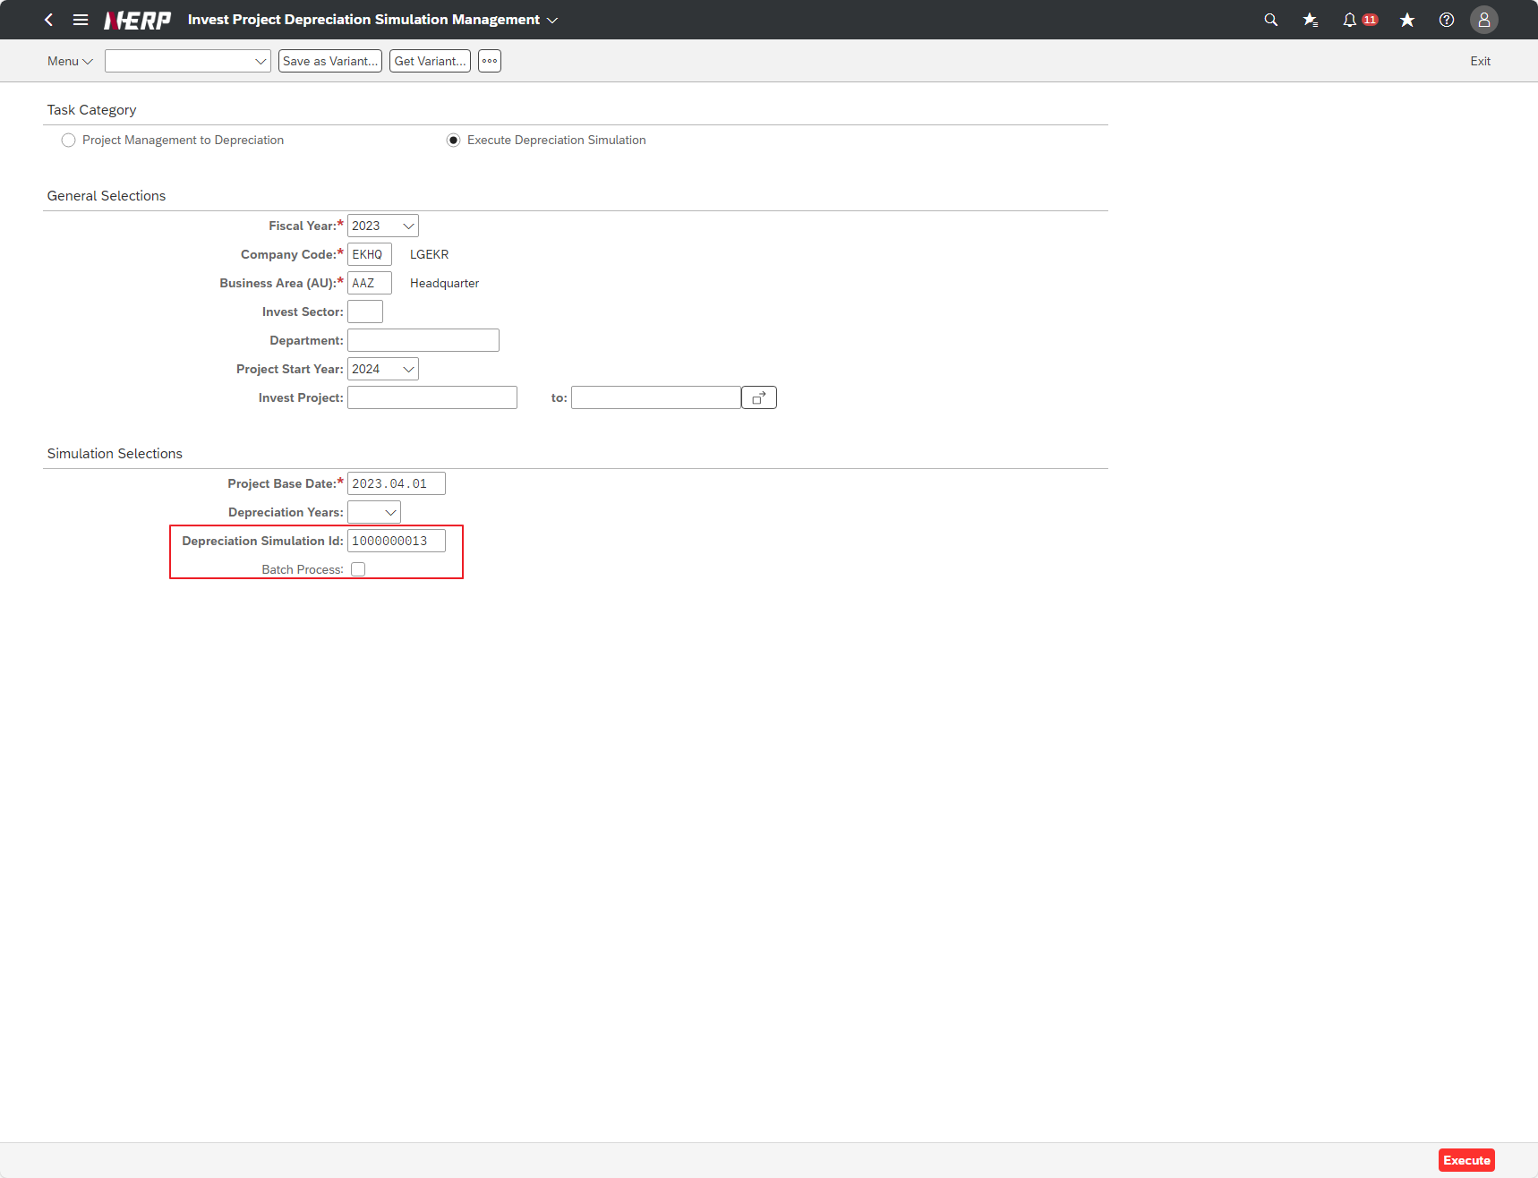



When condition is empty

Defect 3
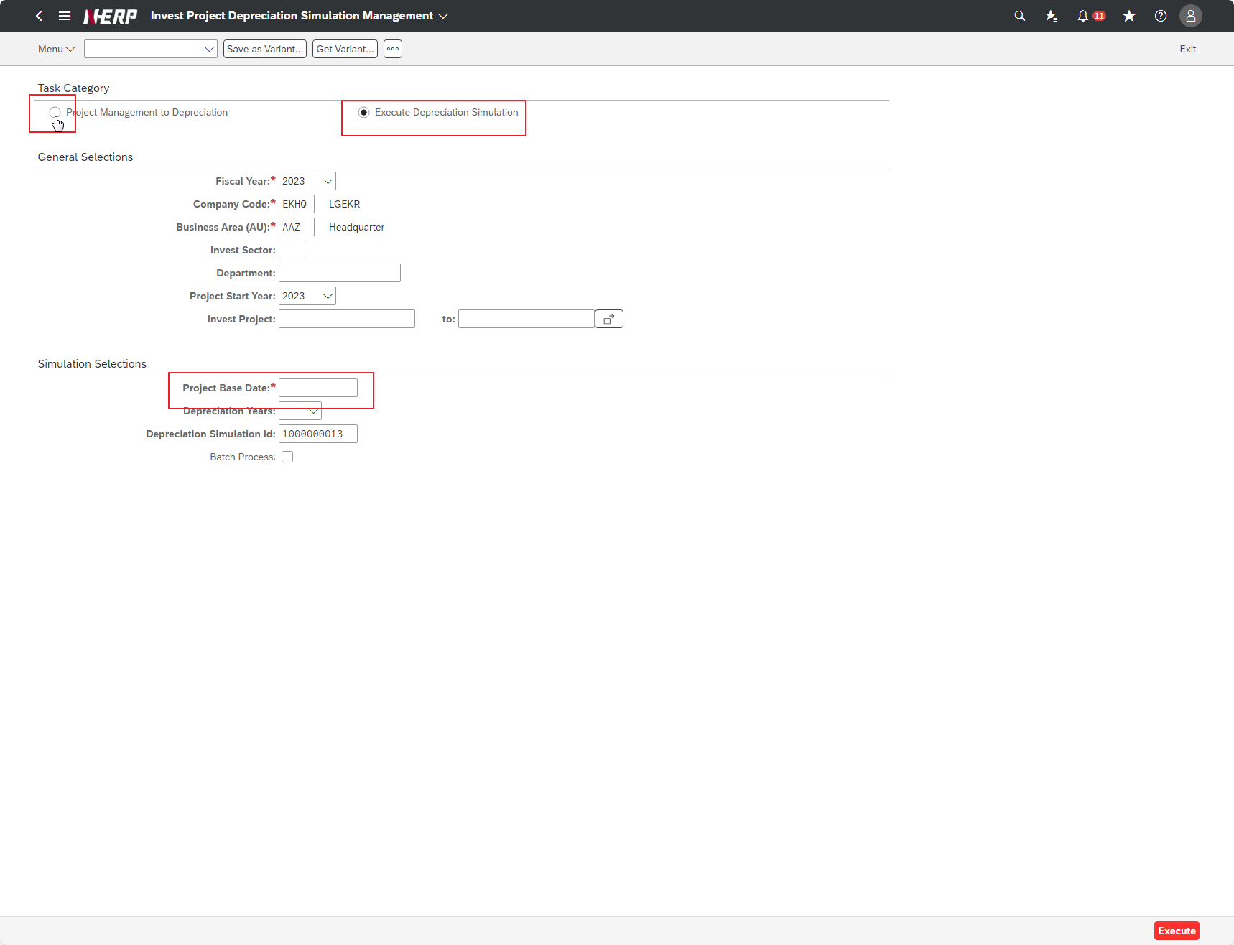
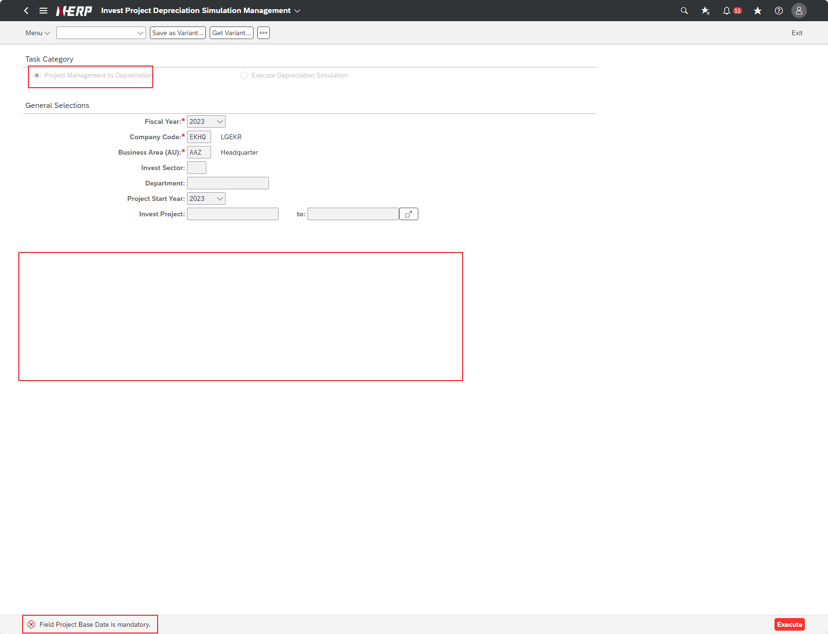
Case 1: | Function: Searching with Project Management to Depreciation choice throw Project Base Date required error

